Лист1
bug report 1:Misspell on the word
step 1.go to the https://demo.guru99.com/test/newtours/reservation.php
step 2.click "sign off" button
step 3.sign in to the sistem (user name asd password asdasd) | also it works if username and password is empty
step 4.click on "submit"
Actual result: Thank you for loggin
Expected result:the text should be written properly:Thank you for login

bug report 2
step 1.go to the site https://demo.guru99.com/test/newtours/reservation.php
step 2.click "sign off" button
step 3.click "register" button
step 4.type nothing on the fields and click "submit(in video it's отправить")
Actual result:Thanks for login
expected result:The site shouldn't go to the next page.because all the fields are empty

bug report 3
step1.go to the site https://demo.guru99.com/test/newtours/reservation.php
step 2.click on the banner with text"SAVINGS! Rent A Car" on the left side
Actual result:nothing happened
Expected result:The user should go to the site with car renting

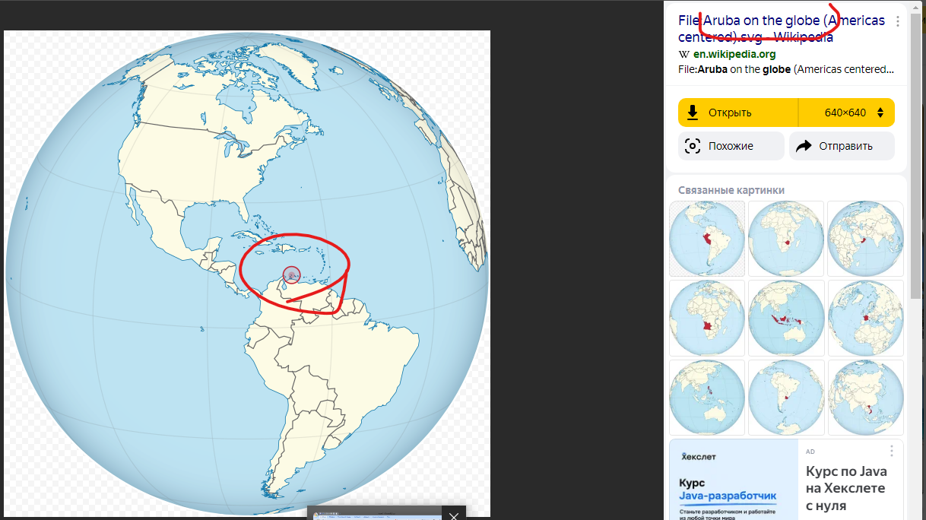

bug report 4
step 1.go to the site https://demo.guru99.com/test/newtours/reservation.php
step 2.click to the "Home" on the left side
step 3.look at the picture with globe ,that is incorrect place
Actual result:the place on the globe is incorrect
Expected result:The real place on the globe should be correct

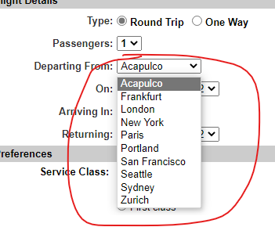
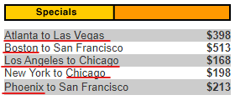
bug report 5
step 1.go to the site https://demo.guru99.com/test/newtours/reservation.php
step 2.open second site https://demo.guru99.com/test/newtours/reservation.php
step 3.on the second site click "Home"
step 4.look at "specials" board
step 5.look at the flights on the board and compare cities with the cities in "departing from" and "Arriving in" dropdowns on the first site
Actual result:There are special offers for flights from city to city,like Atlanta to Las Vegas,but there are no Las Vegas or Atlanta on the "Arriving In" or "Departing From" on the first page

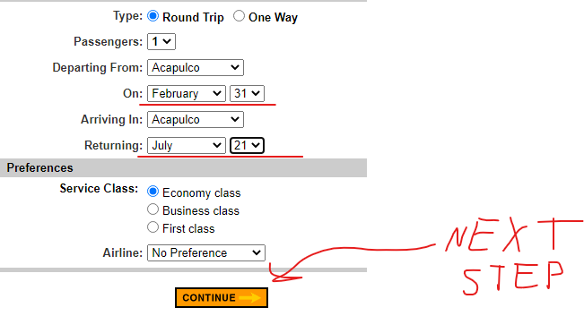
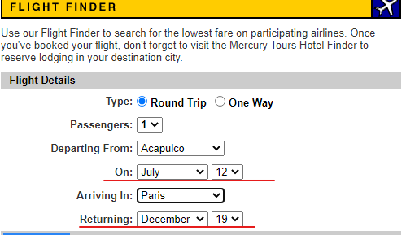
bug report 6
step 1.go to the site https://demo.guru99.com/test/newtours/reservation.php
step 2.choose February month on "on" dropdown
step 3.choose 31 on date dropdown
step 4.choose July month on "Returning" dropdown
step 5.choose 21 on date dropdown
step 6.click on "continue" button
Actual result:The site went to the next page,but there is a text:No seats available,it's right,but when I choose valid date for flight,I see same text
Expected result:the site should show a mini notification with text:Choose valid date

